Лист1
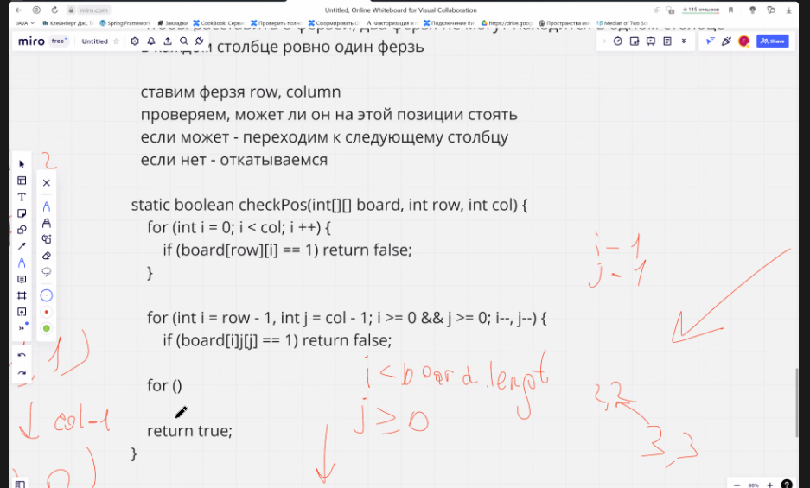
 | 0 | 1 | 2 | 3 | 4 | 5 | 6 | 7
0 |  |  |  |  |  |  |  |  | pos1 | = | 1:01:00
1 |  |  |  |  |  |  |  |  | POS2 | 11
2
3
4
5 |  |  |  |  |  |  |  |  | x== x; || y==y;
6 |  |  |  |  |  |  |  |  | x = x+1; y = y+1
7 |  |  |  |  |  |  |  |  | x = x+1; y = y-1

